58502
装 箱 单
PACKING LIST
装运人 | WUXI JINMAO FOREIGN TRADE CO.LTD.
SHIPPER | 11/F, JIA FU BUILDING,
 | NO.97 REN MIN ROAD(M),
 | WUXI,CHINA
编 号 |  |  |  | 日 期
NO: | 19SUWXOZ58513 |  |  | DATE: | MAR.29,2019
买 方 | SBT COMERCIAL OFFSHORE DE MACAU
BILL TO: | LIMITADA,UNIT C13,EDIFICIO
 | COMERCIAL RODRIGUES 13/F 599 AV.DA
 | PRAIA GRANDE,MACAU
收方 | TAL GARMENTS MANUFACTURING PLC
SHIP TO: | HAWASSA INDUSTRIAL PARK SHED NO.21,
 | HAWASSA,ETHIOPIA

 | DESCRIPTION OF GOODS:

 | 1) 60 PCT COTTON 40 PCT POLYESTER WOVEN FABRIC, CUT WIDTH:(56")57/58"，
 | AS PER APPLICANT'S PURCHASE ORDER NO.ETG-4882508
ROLL NO. | ITEM/COLOR |  | QTY(Y) | G.WT(KGS) | N.WT(KGS) | MEASUREMENT
167 ROLLS | FA19ST7023_03 NAVY GEO DOT |  | 25067.0 | @21.87 | @20.87

TOTAL | 194 ROLLS |  | 25067.0 | 4230.63KGS | 4045.81KGS

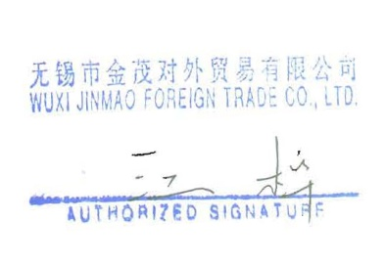
TOTAL PACKED IN 194 ROLLS
TOTAL QUANTITY: 28718 YDS
TOTAL G.WT: 4230.63 KGS
TOTAL N.WT: 4045.81 KGS
TOTAL MEASUREMENT:

SHIPPING MARK: |  | ETG | ETG
 |  | 4882508 | 4882507
 |  | DJIBOUTI | DJIBOUTI
 |  | C/NO. | C/NO.
 |  | MADE IN CHINA | MADE IN CHINA

THIS IS CERTIFYING THAT:
A) EACH ROLL OF FABRIC IS PACKED FACE-SIDE INSIDE WITH FACE SIDE PROPERLY MARKED.
B) THERE IS DYE LOT SHIPPED.DYE LOT HAS BEEN LABELLED ON EACH ROLL OF FABRIC WITH
PROPER NOTATION IN THE PACKING LIST.
******THE YARDS/ROLL CAN BE SEEN IN THE******
***DETAILED PACKING LIST***

